DH
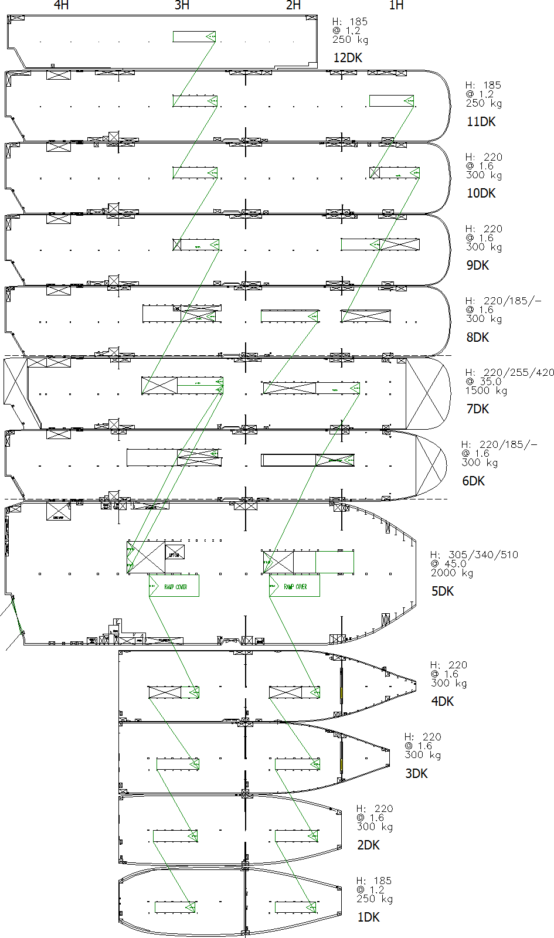
Vessel Name : EURASIAN HIGHWAY | Voyage Leg : 83 A
LD:HIN => MNX

DP:BCN => ANR => ZEE(A)

